Instructions
Step by step instructions to edit and update Seminary courses for the Course Schedule

Contacts & Info Tab
 | Ensure that the Admin name and contact info for the department/program is accurate |  |  |  |  |  |  | Department Review
 | Enter ID number and Last Name, First Name for each instructor, including any adjunct or contract teachers. Add lines as needed if you don't have enough space. |  |  |  |  |  |  | Needed correction or addition
 |  |  |  |  |  |  |  | Deactivate
Departments & Programs |  |  |  |  |  | Example |  | DONE
 | When the Don's Google Sheet is released to you for edits, you will do the following: |  |  |  |  |  |  | Missing Info
 |  |  |  |  |  |  |  | Questions
 |  | CANCELING CLASSES
 | 1 | Highlight the whole row of any classes NOT being offered in that semester using RED, and strikeout. Type will remain black. |  |  |  | Course Number
 | 2 | You can sort by color (fill or text) at any time to get the deleted courses out of your way.
 |  | Click on the little down arrow in the title bar in any column to open the sort function. Set up the sort as desired, then hit ok.
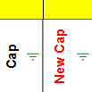
 |  | To sort by color, select Sort by Color, Fill Color, then Red. Hit OK. That will group all the red lines at the top. You can just scroll past them to the courses that need further review or edits.

 |  | UPDATING CLASSES
 | 1 | Identify the edits that need to be made for the remaining courses.
 |  |  | Highlight the cell containing the detail that needs editing, as well as the "New" cell next to it with YELLOW, and turn the type RED. |  |  | example
 |  |  | Enter the new information in the "new" column for the course, and use strikeout to indicate what needs to be removed on the data that came from the course schedule. |  |  | Title: Topic | Title:
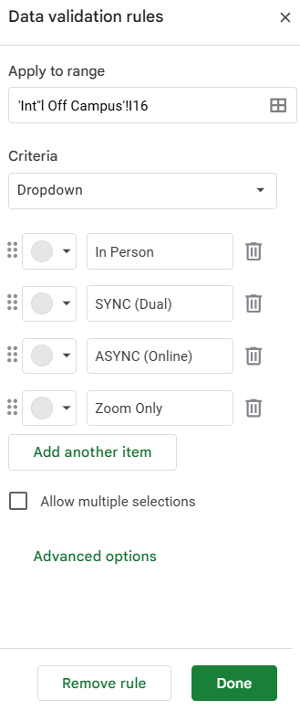
 |  | ADDING NEW CLASSES
 | 1 | Insert a row where you want the class to be, or use a row at the bottom of the existing courses. You can always sort it back into place.
 | 2 | Highlight the whole row YELLOW and turn the type RED.
 |  | If you are copying data on a class to add a new section - copy the existing course and paste it into the new line.
 |  |  | Move the section, title, credits, instructor, room, day(s), time(s) and cap into the "New" columns, ensuring that they are accurate.
 |  |  | Delete the previous data from the "Old" cells as noted above so that it indicates that all the data for the course is new.
 |  |  | To reset the drop-down list or clear the existing selection, select the cell (not the drop-down itself) and hit the Delete button. That resets the drop-down, but doesn't erase it from the cell. It is easiest to navigate into the cell using the arrow buttons rather than trying to click on the tiny open spot at the corner to do this.
 |  |  |  |  |  | example
 |  | DROPDOWN LISTS
 |  | We have begun using drop-down lists in columns where the data is repetitive but used for each class.
 |  |  | Select the appropriate option for each column for EVERY class, as these columns may not all be auto-generated from the schedule. Some example are: Campus, Mode, Special Approval, Campus Restriction, Fee and Load/Contact.
 |  | Editing a Dropdown List
 |  |  | If you have data to add to a dropdown list, select the list from one cell in the column.
 |  |  |  | Click on the pencil icon at the bottom of the list.
 |  |  |  | Click on Add Another Item, and a new option will open. Type the needed data into the cell. Repeat as needed.
 |  |  |  | When finished editing the list, hit done, and answer apply to all in the query that will come up. This will apply the change to every cell that uses the same list. We don't want a multitude of different lists in the same column.
 |  |  | Where you may want to have two options selected from the same list (like days) be sure that the "Allow Multiple Selections" box is checked.

 |  | CROSSLISTING
 |  | If you have a course that is offered in different modes, for different credits, or will be taught at both the masters and doctoral levels, it must be crosslisted. so it is properly reflected as a single class in Learning Hub.
 |  |  | In the Crosslist column, enter the course name and sections being crosslisted. |  |  | CHIS600-001,002,998,998 / CHIS 880-001
 |  |  | Ensure that the same crosslisting memo is copied into EVERY section in the grouping - identically - so you can sort by that to ensure you caught each section involved.
 |  |  | Highlight in Yellow, with red type to indicate something needs to be cared for.
 |  |  | Where you have a LOT of crosslisted groupings, you can highlight each group a different color/shade for the first round of edits, making it easier to identify the "families" of classes.

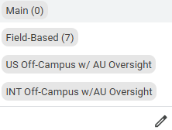
 |  | OTHER DETAILS
 |  |  | Campus
 |  |  |  | Campus 0 - Main Campus
 |  |  |  |  | Courses are taught Face-to-Face - select IN-PERSON mode
 |  |  |  |  | Independent study is always main campus
 |  |  |  | Campus 7 - Remote Campus
 |  |  |  |  | Courses are taught by zoom - select SYNC in mode, Interactive Online in Schedule Type and select the Campus 7 restriction and online fee for each section offered ths way.
 |  |  |  |  | Courses are Interactive Online Schedule Type, and ASYNC mode - pre-recorded or zoom recordings. ALWAYS note that 500 or 600 level sections will also have the online fee that has to be noted at the end of the row for the course. Do NOT select the campus restriction for this mode.
 |  |  |  |  | Practicums for MDiv have two sections - both Campus 0 and Campus 7 - remember to crosslist them.

 |  |  | HiFlex classes
 |  |  | Courses offered by HiFlex or Tri-mode must have at minimum 3 lines - one in each mode offered. More lines if they are to include doctoral level studies (with or without zoom). Be sure to put the Campus 7 restriction ONLY on the line for the SYNC (-998 or below) mode(s) at the masters levels, but both the -999 and -998 sections must have the online fee selected in the proper column.
 |  |  | Dates
 |  |  | Since we are working ahead of Don in semesters he has not yet copied, the dates from last year will be wrong. Please take the time to lay in the appropriate dates for each course. Particularly if there are intensives with pre and post work times.
 |  |  | If you work with pre and post dates, feel free to add columns until you have enough to properly reflect each date as needed. Be sure to put a heading on any column that you add to the sheet to identify its purpose.
 |  |  | Capacities
 |  |  | Please do NOT leave the default capacity of 999 on anything that will be active. Always put a reasonable cap on each class/section.

 |  | DEPARTMENTS & PROGRAMS
 |  | Each Department has it's own tab on the sheet, and the courses on that "Main" sheet are for Main Campus (0) and Remote Campus (7) courses only. Both Masters and Doctoral level courses will reflect here.
 |  | Programs offered off-campus both domestically and internationally have their own tabs, and the Admins for those programs will enter and edit their courses accordingly. This will cross department lines where necessary.

 |  | DEPT. / PROG. EDITS FINISHED - READY FOR DON TO REVIEW
 |  | Once you have completed the first round of edits on the sheet (s) you are responsible for, please use TEAMS to notify Donald Robinson, Karen and Mona in a group chat. Mona will review your work and make any needed edits.
 |  | To let Don know there are edits outstanding for any given department, you will color the appropriate tab GREEN.
 |  |  | Right Click on the name of the tab (bottom of sheet). When the list of options opens, select CHANGE COLOR, then select the lime green option.
 |  | Don will make the first round of his edits in the actual course schedule. Once he has made all edits for each tab, he will strip the color from the tab. He may notify you via the teams chat that he is finished, or you may want to just keep an eye out for his edits.
 |  | You will navigate to the course schedule. Select the appropriate semester, then click on additional filters. |  |  |  | Course Schedule :: Andrews University
 |  |  | Filter the schedule by School (Theological Seminary) and Department (make your choice).
 |  |  | You can either download the list to a CSV File - (opens in Excel), or display as PDF, then print that.
 |  |  |  | (I prefer at this step to print the PDF, as you can make notes on it and it shows the mode and other details)
 |  | Compare the Univ. Course schedule to your tab AND the Internal Schedule - ensuring that all the details are checked and correct. If something is wrong, make the edit in Don's sheet and turn your tab green again - notifying him (via the Teams group chat) that the next round of edits is ready for him. |  |  |  | 2025-26 SMART SCHEDULE (B)
 |  | Check each item of data. Course #, Section, teacher, time, room, cap, etc, and mark it on both the printed PDF schedule and on a printed copy of the Internal Schedule.
 |  | As you work through each course and section, move the data (cut and paste) from the New columm into the column that reflects what is in the system. Once that is done and accurate, you may strip the colors from the line, returning it to black type and "reset" highlight. It should then reflect what is in the course schedule.
 |  | Then, if something is wrong or needs a further edit, follow the same cycle.
 |  |  | Highlight in yellow the cell(s) that need correction, and enter the correction into the "new" column, and strikeout the "old" information.
 |  |  | Turn the text red
 |  |  | Change the tab color to green when you are finished with your edits.
 |  |  | Notify Don (via the Teams group that includes you, Don, Mona and Karen) that the department has edits.
 |  |  | Repeat as necessary untill all details are correct. When nothing further is needed, please notify Karen and Mona that your department/program edits are finished.

